1. Title Page
[Looker E-Commerce]

Project Name: Looker E-Commerce
Date: 09/06/2025
Analyst Name: Faisal Malekzada

Contents:
Population Flow
Consistency checks
Wrangling steps
Column derivations
Visualizations
Recommendations

Data Citation: | Looker E-Commerce dataset Accessed via Kaggle.

2. Population Flow
Title page

Population flow

Exclusion flag
Condition: max_order <
Obervations to be removed:
Final total count of order_products_all:

Dataframe Merged

Total: 181759

1.) The grey boxes in the first row of the population flow represent the original data sets as they were when they were downloaded. In the Total fields, the count of the rows when the dataset was imported into jupyter is mentioned.
2.) The second row of boxes (coloured) represents the data sets after they were manipulated, e.g., removed missing values and duplicates. In the Total fields, the count of the rows after conducting these operations were added. This offers a visual oveview of how the data flows throughout the data consistency checks.
3.) The third row, where also the arrows are coloured, represents the merges performed between the datasets. In the Total fields, the count of the rows in the merged datasets was added, which is the final dataset (in the red box.

3. Consistency checks
 |  |  |  | Title page
Consistency checks

Dataset | Missing values | Missing values treatment | Duplicates
orders | 1. returned_at: 112,696 rows 2. shipped_at: 43765 rows 3. delivered_at: 81342 rows | No treatment necessary | No duplicates
products | 1. Name: 2 rows 2. Brand: 24 rows | Created a map to pick the most frequent brand used according to name that is not null. Filled missing brand using the map Updated missing values = 22 | No duplicates
Users | city: 958 rows | Created a data dictionary based on available postal codes of missing city names. Then applied the data dictionary into the city column. *Updated missing values: 0* | No duplicates
Inventory Items | 1. Sold_at: 308,946 Rows 2. product_name: 29 rows 3. Product_brand: 401 rows | Created a brand map to pick the most frequent product_brand used according to product_name that is not null. Filled missing product_name using the brand_map_brand Updated missing values: 365 | No duplicates
Order items | 1. shipped_at: 63,478 rows 2. delivered_at: 117,918 rows 3. returned_at: 163,527 rows | No treatment necessary | No duplicates
Events | 1. user_id: 1,125,671 2. city: 23,080 | Some rows were updated based on postal code that had existing city. Others were updated manually based on data dictionary created. Updated mssing values: 815 | No duplicates
Distribution centers | No missing values | No treatment necessary | No duplicates

4. Wrangling steps
 |  |  |  | Title page
Wrangling steps

Columns dropped | Columns renamed | Columns' type changed | Comment/Reason
Events: sequence_number, session_id, ip_address |  | 1. delivered_at to dateframe | Dropped Columns: Not necessary for the analysis
Inventory_items: Product_sku |  | 2. order_created_at to dateframe | Columns renamed:
Users: email, street_address, latitude, longitude |  | 3. shipped_at to dateframe | Columns type changed: order_created, delivered_at , shipped were timestamps changed to dateframe for time-series analysis
Products: sku

5. Column derivations
 |  |  |  | Title page

Column derivations and aggregations

Dataset | New column | Column/s it was derived from | Conditions
Combined dataframe | Price_category | sale_price | df_orders9.loc[df_orders9['sale_price'] < 100, 'price_category'] = 'Cheap' df_orders9.loc[(df_orders9['sale_price'] >= 100) & (df_orders9['sale_price'] < 500), 'price_category'] = 'Medium' df_orders9.loc[df_orders9['sale_price'] > 500, 'price_category'] = 'Luxury'
Combined dataframe | profit | sale_price & cost | df_orders9.loc[df_orders9['returned_at'].isnull(), 'profit'] = df_orders9['sale_price']-df_orders9['cost']
Combined dataframe | country | state | # state_to_country is a datamap filling countries where state is a match in the data map. (jupyter notebook) df_orders9['country'] = df_orders9['state'].map(state_to_country).fillna('Unknown')
events | country | state | # state_to_country is a datamap filling countries where state is a match in the data map. (jupyter notebook) df_events['country'] = df_events['state'].map(state_to_country).fillna('Unknown')
Combined dataframe | order_hour | order_created_At | df['order_hour'] = df['order_created_at'].dt.hour
Combined dataframe | order_date | order_created_At | df['order_date'] = df['order_created_at'].dt.strftime('%Y-%m-%d')

6. Visualizations
 |  | Title page

Visualisations

What are the top selling products by order and revenue?
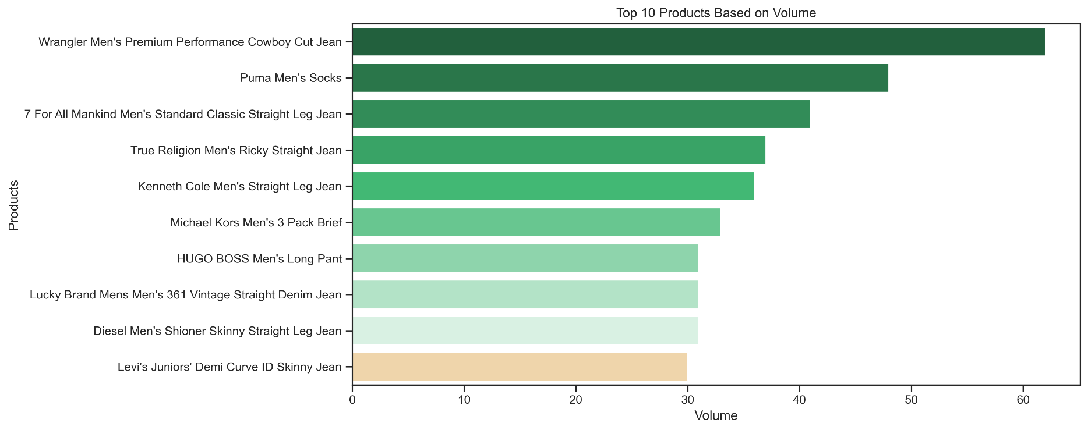
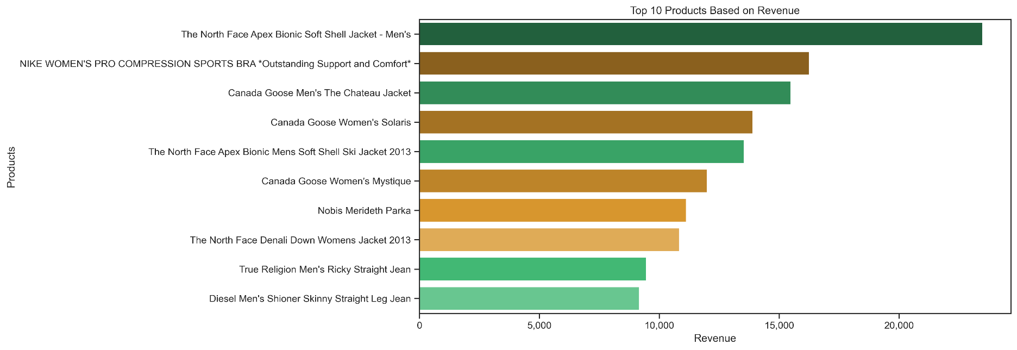

How has revenue trended over time?

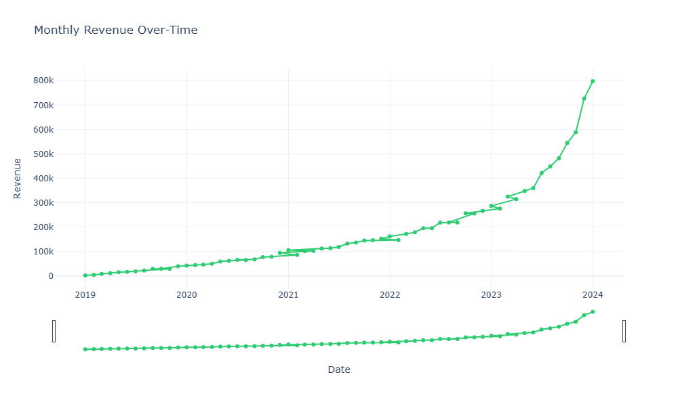

What are the most successful traffic source to purchase?

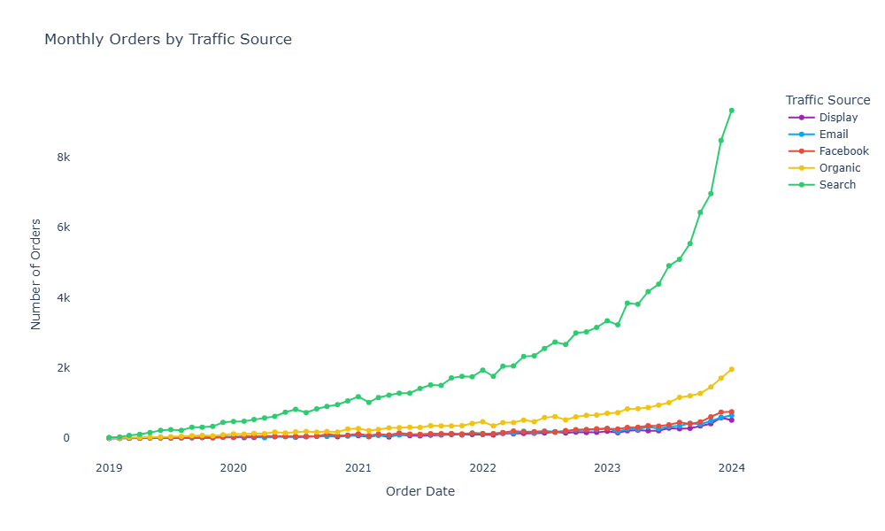

 | What is the average delivery and processing time by region?

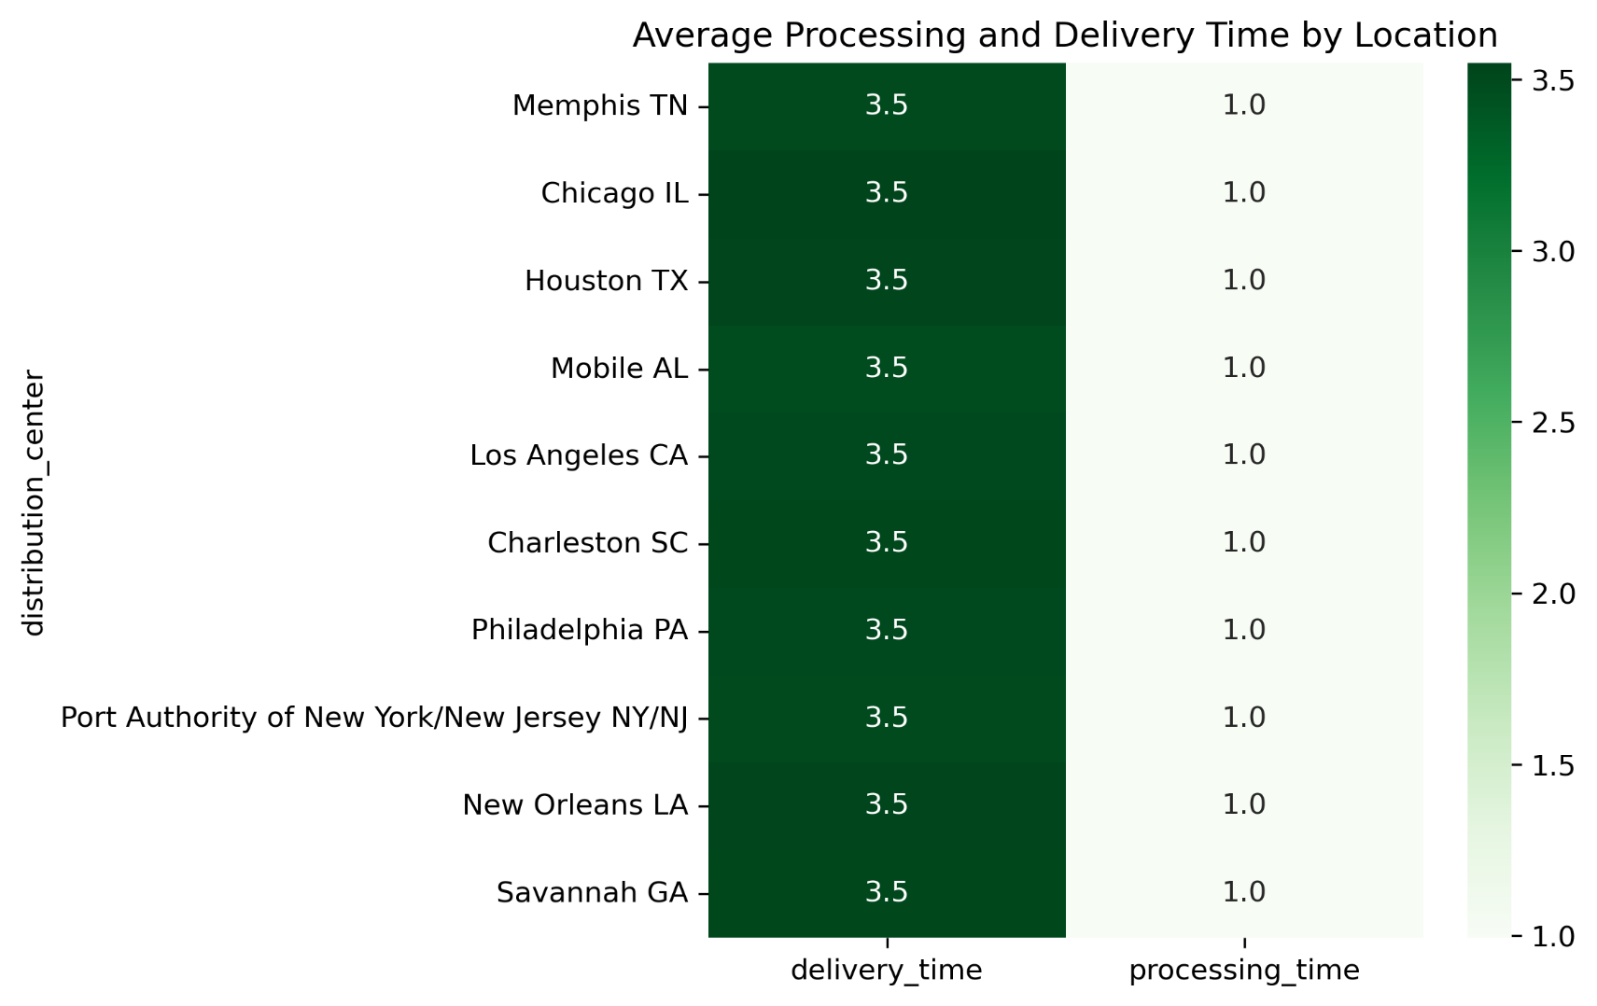
What is the ratio of completed/Canceled/Returned orders?

7. Recommendations
 | Title page

Recommendations

In this tab you will find any recommendations made to Looker E-commerce based on the insights and findings on this analysis.

Focus marketing campaigns on returning customers, especially those with higher order values.
Create loyalty programs for existing customers. eg. loyalty credit that accrues after every purchase and can be used in the next order.
Create personalized product recommendation based on previous purchase history.
Increase campaigns in top performing countries like China and USA.
Allocate more budget to SEO and email promotions.

